Sheet1
莎 阿 南 佛 学 会
SHAH ALAM BUDDHIST SOCIETY (PPM-004-10-15121990)

No 9, Jalan Sg Congkak 32/41, Bukit Rimau, 40460 Shah Alam, Selangor.
Tel: 03-5121 5186 Fax: 03-5121 5182 Email: info@sabs.org.my

APPLICATION FOR LEAVE FORM

It is a condition of all leave granted that it is subject to be rescinded at any time by the Management , if it is desirable in
the interest of SABS that the employee should continue to perfrom his/her duties or should return to duty before expiry
of the period for which he/she has been granted leave.

Name: | admin ad |  |  |  |  | Tel: 1234567

Address: | adasd
(during leave)

Please tick where applicable |  |  |  |  |  | This Year Entitlement | 3

 | Annual Leave |  |  |  | 修行假 | Last Year b/f | 0

 | Emergency Leave |  |  |  | Others (specify) | Total

X | Working On Off Day/PH |  |  |  |  | Less Leave Taken

 | Medical Leave |  |  |  |  | Total Add Leave

 |  |  |  |  |  | Current Total | 7

Reason for application |  | re |  |  |  | Now Applied for | 3

Leave to commence from |  | 2025-08-14 |  |  |  | Balance | 4

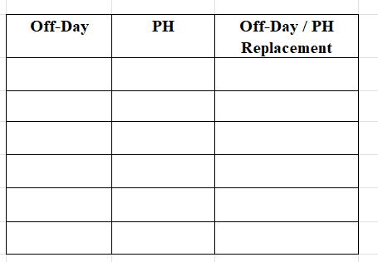
Number of working days |  | 3

To report duty on

2025-08-02
Date of Application |  |  |  | Signature of Application

I can spare him/ her for the period above stated and I WILL / WILL NOT require a relief.

2025-08-07
Date |  |  | Head of Department |  |  | Approved By

To be completed if applicant is a key holder

During my absence on leave, the key/s at present held by me will be entrusted to ____________________
who, unless otherwise advised, will hand over the key/s to me on my return.

Applicant |  |  | Confirmed By |  |  | Approved By

